Sheet1
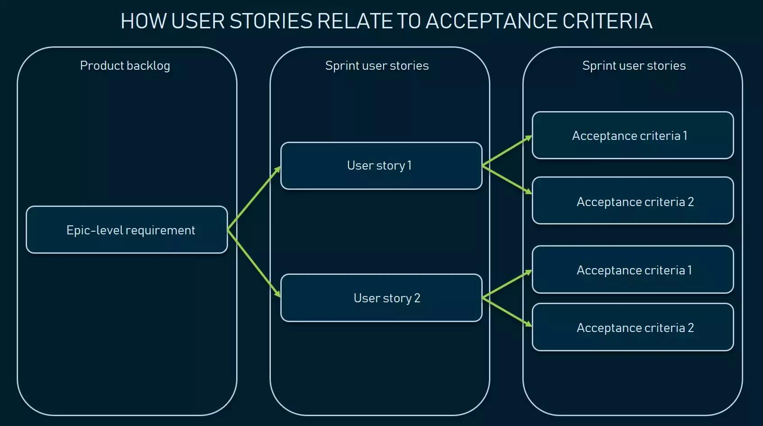
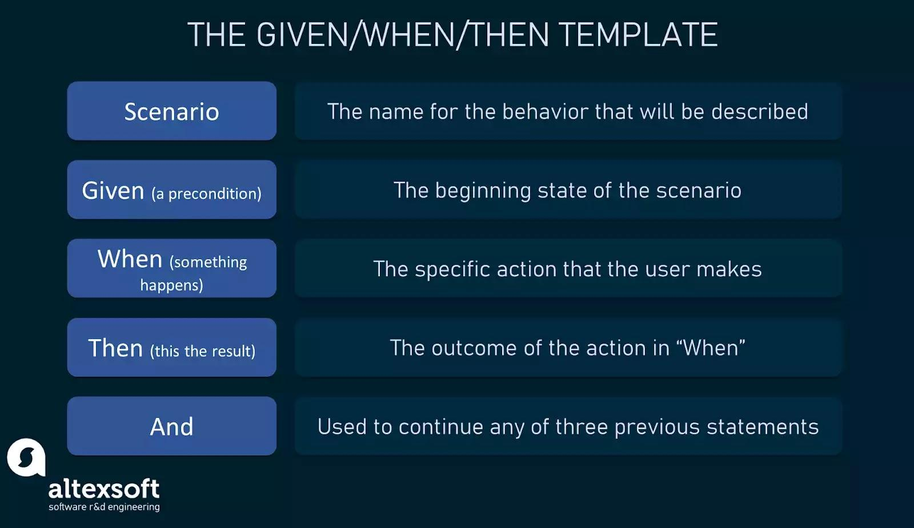
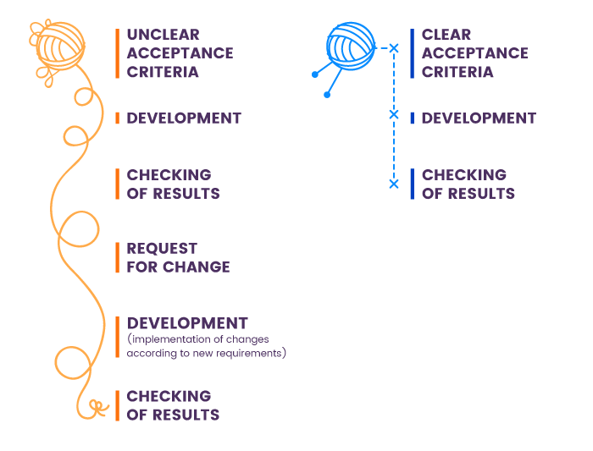
Acceptance Criteria
Issue type | ID | Summary | Place
Acceptance Criteria | DCS-42 | As a customer I want to able to search on the webpage So that I can find necessary information | Search
 |  | Scenario: customer searches for an images “Given that I'm in a role of registered or guest customer When I open the “Recipies” page Then the system shows me the list of all the vegetables And the system shows the “Search” section in the right bottom corner of the screen When I fill in the “Search” field with the name of existing item in the list And I click the “Apply” button OR press the Enter key on keyboard Then the system shows Recipes And the system shows the number of search results in the top of the Search Results section”
Acceptance Criteria | DCS-40 | As a customer I want to add different ingredients. So that I will be able to make dish easy for me. | Camera | x
 |  | Scenario: Adding Ingredients “Given As a user, navigate to the "Ingredients" section of the app. When the customer see a list of ingredients detected from a previous photo or manually entered. And customer tap on the "Add Ingredient" button. Then a text field appears where customer can type the name of the ingredient. After entering the name, customer tap "Add" or press Enter. The ingredient is added to the list, and I can now use it to search for recipes. |  | x
Acceptance Criteria | DCS-43 | As a customer I want to be able to recover my account customer ID/Name So that I will be able to access my account in case i forgot the account. | Login
 |  | Scenario: Editing Profile Information “Given I navigate to the "Profile" area of the app as a user. When the customer can see my name, email address, and maybe some other information on my current profile. And customer select "Edit Profile" by tapping on it. now they able to make modifications because the fields are editable. Once the data has been updated, I hit "Save" or a button akin to it.The modified information is reflected in my profile and the changes are saved.
Acceptance Criteria | DCS-39 | As a customer I want to be access the my recipe history. So that I will be able to access any time if I want have same recipes .
 |  | Scenario: Browsing Recipe History “Given I go to the "History" portion of the program as a user. When I get a list of the recipes that I have previously viewed or searched for. Then I go down the list in search of a certain thing I want to look at again. When When I locate the item I want, I tap on it to see more information. Then I may prepare the recipe again or save it for later use by using the app, which shows the recipe details.
Acceptance Criteria | DCS-38 | As a customer I want to access the Mealmate app. So that I will be able to have a better service | Sign Up
 |  | Scenario: Signing Up as a New User “Given I launch the app for the first time as a new user. When There is a "Sign Up" option presented to me. Then I choose "Sign Up" and the registration screen opens. When I fill in my name, email address, and password. Once the necessary data has been entered, I press "Register" or a button akin to it. After confirming my details, the system makes a new account for me. Then I can now use the app's functions, like managing my ingredients and finding recipes, because I've logged in.
Acceptance Criteria | DCS-45 | As a customer I want to browse all the recipes. So that I have a list to select the service I want. | Explore
 |  | Scenario: Exploring Featured Recipes "Given I see a "Featured Recipes" area on the home screen of the app when I log in. When I page through the highlighted recipes, each with a short explanation and tempting photo.I tap on a recipe that piques my interest to see further information. Then The entire recipe, together with the ingredients, preparation instructions, and cooking time, is displayed on the app. I can put the ingredients for the meal on my shopping list or get cooking straight away if I decide to make it.
Acceptance Criteria | DCS-49 | As a customer, I want save my favriout recipes So that I can able to accsess ant time , I don’t need to serach again. | Explore
 |  | Scenario: Saving Favorite Recipes "Given I'm looking through recipes when I find one that I really like. When I press the button labeled "Save" or "Favorite" that corresponds to the recipe.The recipe has been added to my favorites, according to the app. Then I go to the app's "Favorites" area to view my most popular recipes. A list of every recipe I've saved is displayed to me, making it simple to locate and prepare them at a later time.
Acceptance Criteria | DCS-28 | As a customer, I want to share recipes with relatives and friends. So that I can share with them. | Explore
 |  | Scenario: Sharing Recipes with Friends "Given I choose to share a delectable recipe I found with a buddy. When I find the "Share" button on the recipe's details page after navigating there. When you press the button, a menu with sharing choices via text, email, and social media shows up. Then I select the buddy I wish to share the recipe with and my preferred sharing method. I can personalize the message the app creates and send, which includes a link to the recipe. After receiving the message, my friend can examine the recipe and give it a try by clicking the link.
Acceptance Criteria | DCS-29 | As a customer, I want to customize recipes collection. So that I can track it. | Explore | x
 |  | Scenario: Creating Custom Recipe Collections "Given I want to be able to customize collections of my favorite recipes based on events or themes as a user.I open the program and go to the "Collections" area. When "Create New Collection" is the button I tap. I'm prompted to name and describe the new collection in a dialog box. Then I verify the collection's creation after supplying the information. I begin by choosing recipes from my favorites or by looking through the recipe database on the app to add them to the collection.When the collection is finished, I may quickly access it to locate recipes catered to particular tastes or occasions. |  | x
Acceptance Criteria | DCS-46 | As a customer, I want some recommendations. So that I can get recipes easily. | Customer Care | x
 |  | Scenario: Discovering New Recipes through Recommendations "Given I see a "Recommended for You" area on the home screen of the app after logging in. When Using machine learning algorithms, the app makes recipe suggestions based on my culinary preferences, favorite recipes, and previous search history. I look through the suggested recipes and select a few that catch my eye. Then I touch on a suggested recipe to see its details and choose whether to attempt it right away or save it to my favorites. The app helps me find fresh and interesting recipes that suit my tastes as it gets better over time depending on my interactions and feedback. |  | x
Acceptance Criteria | DCS-47 | As a customer, I want to be able to find all the quick links in one place/or at the bottom of the page So that I will be able to access the links and find necessary information | Sitemap | x
 |  | Scenario: Planning Weekly Meals “Given I want to schedule my meals for the coming week because I'm a busy user and I want to make sure I eat a balanced diet. I open the app and go to the "Meal Planner" area. When I see a glimpse of a calendar that shows the days of the week along with the ability to add meals for lunch, dinner, and morning. I start planning by tapping on a particular day and mealtime. Then The software makes recipe recommendations based on my recently searched terms, saved favorites, and dietary requirements. I make a shopping list with all the products I'll need and choose a recipe for each meal time. And Once my meal plan is finished, I can quickly refer to it during the week and change it as necessary. |  | x
Acceptance Criteria | DCS-30 | As a customer, I want an ingredient option. So that If I don’t have some ingredients, it won't effect my dish. | Explore
 |  | Scenario: Quick Ingredient Substitution "Given The user looks up a recipe. When recognizes that one element is missing. Then the app offers alternatives that they can find in their pantry or neighboring businesses.
Acceptance Criteria | DCS-31 | As a customer, I want to do some recipes by my own. So that it is available at my convenience. | Explore
 |  | Scenario: Community Interaction “Given users are able to share their own changes or recipes. When Shared recipes can be rated and commented on by others. Then promotes a thriving community of cooks within the app.
Acceptance Criteria | DCS-53 | As a customer, I want dietary preferences. So that I can have my heath consciousness in the app. | Explore
 |  | Scenario: Dietary Preferences “Given customer can set dietary preferences like vegetarian, gluten-free, etc. Then app ensures individualized recommendations by filtering recipes based on criteria.
Acceptance Criteria | DCS-33 | As a customer, I want to browse the service list So that I can get some information on what does this particular recipes do. | Explore
 |  | Scenario: Step-by-Step Cooking Instructions “Given for every recipe, users may view comprehensive step-by-step instructions. When they put ingredients. Then incorporates pictures or videos to help with cooking and preparation methods.
Acceptance Criteria | DCS-34 | As a customer, I want grocery delivery services. So that I can save my time. | Explore
 |  | Scenario: Integration with Grocery Delivery Services “Given Customers can add items straight to the shopping cart of their chosen grocery delivery service. Then simplifies the process of buying ingredients for recipes that you have selected.
Acceptance Criteria | DCS-36 | As a customer, I want seasonal recipes. So that I can see the seasonal recipes. | Explore
 |  | Scenario: Seasonal Recipe Recommendations “Given The app makes meal suggestions based on holidays or seasonal items. Then maximizes the utilization of fresh products and special occasions for users.
Acceptance Criteria | DCS-37 | As a customer, I want offline services. So that I can not stuck any where while cooking. | Customer Care
 |  | Scenario: Offline Access “Given When utilizing the app, the user's internet connection drops. When The app converts to offline mode smoothly, preserving access to shopping lists, recipes, and other features. Then After the internet connection is restored, the user is prompted to reconnect.
Acceptance Criteria | DCS-35 | As a customer, I want to be able to find his entered information | Profile
 |  | Scenario: customer requests to view his personal data “Given I'm a customer who has logged in. When I navigate to the Profile page. Then I can see his personal information on the system.
Acceptance Criteria | DCS-54 | As a customer, I want to login in app So that I can use it to store all my information. | Login
 |  | Scenario: Data Privacy Notification “Given After logging onto the app, the user is notified about usage guidelines and data privacy.The user is aware of the methods used by the program to gather, store, and use their data. The user can adjust their data preferences by reviewing the privacy policies and settings.

